2020 MAS Support Sale Donors
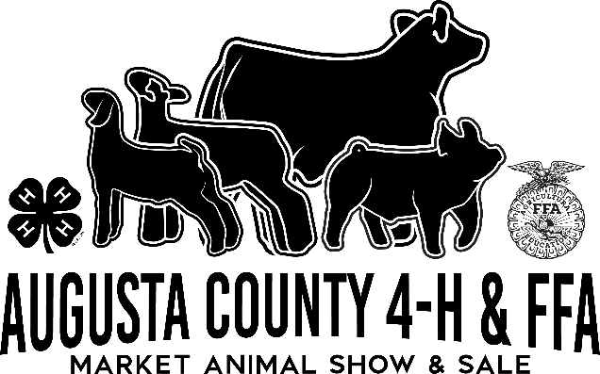
2020 Augusta County 4-H/FFA Market Animal Show Support Sale Donors
BROOKE MARSHALL | Thank You!
ADAM CASH HOUFF TRANSFER
ADAM FORD
ALLEN SHOWALTER
ALLEN STRECKER
AMY JOHNSON
AMY LONG
AMY TROUT
ANDREW WILLS
ANN ROHR
ANNE CLARKE
ANTHONY THORNTON
ARTHUR BARTENSLAGER
ASHLEY BUCHANAN
ASHLEY RATHBURN
ASHLIE HOWELL FARM CREDIT
AUGUSTA COOP
AUGUSTA COUNTY FARM BUREAU FEDERATION
BAILEY HADACEK
BELINDA ZIPF
BETH BAZZLE
BONA DRESCH
BRAD ROBBINS
BRENDA BRENDA MORRIS
BRENT MILLER
BRENT SAUFLEY
BRETT AND MEREDITH SEAL GLEN ECHO FARMS LLC
BRIAN BURGESS
BRUCE AND NANCY L BOWMAN
BRYAN LAMOND MASTERTECH AUTOMOTIVE
BRYAN RAWLEY
BUILDERS FIRSTSOURCE ZACH STRAITS
CAREY CURRY
CARRIE KISER
CHARLES CURRY
CHARLES HORN
CHARLIE BEVERAGE
CHLOE SHELL
CHRIS RUNION
CHRISTOPHER CURRY B C LOX AND KEYS
CITY NATIONAL BANK
CLIFF MORRIS
CLINT LYLE
CLINT ROHERE POULTRY SPECIALTIES AND CHORETIME
COLBY IRVINE CAMP HOLLOW FARM
COLE REEVES
COMMONWEALTH VETERINARY CLINIC SPENCER NICE
COURTNEY MOYER
COX CONSTRUCTION
DANIEL GRIFFIN
DANIEL MAY
DAVE MULLINS
DAVID HEMP
DAVID JOHNSON AUGUSTA MUTUAL INSURANCE COMPANY
DAYTON VET SERVICE
DEBBIE MIKE ROBBINS
DENNIS RAWLEY
DIANNA PITTMAN
DOUG BOXLEY
DUANE MCALLISTER HOUFF CORPORATION
DUNSMORE FARM
DWIGHT HOUFF
ED WILHOIT
ELIZABETH DAY MILLER
ELIZABETH NELSON
ERIC BOND
ERIC GOODS SERVICES LLC
ERIK RUEBUSH
FARM BUREAU YOUNG FARMERS
FIRST BANK AND TRUST COMPANY KENDALL EARHART
G AND M SALES OF VIRGINIA INC
GLORIA LONG
GRANT TALBOTT
GRAYSON AND GANNON LONG
GREG SNYDER VA FRAME BUILDERS AND SUPPLY
JANA NAPIERCLINE WOODRIDGE SHOW GOATS
JEAN LIGGETT
JEFF GERMROTH JAMES RIVER EQUIPMENT
JEFF PHILLIPS
JENNA ADAMS
JEREMY DAUBERT
JESSE AND LEAH SMALLWOOD
JOAN SWISHER
JOE HINKLE DOORGORILLA
JOE SHIFFLETT
JOHN BENNER
JOHNNY AREHART
JOI GAYRE BESTECHS
JONATHAN AND MELISSA RAWLEY
JOSEPH TURNER
JOSH IDDINGS
JUDY PRUITT
JUNE COHRON ANIMAL HOSPITAL OF STUARTS DRAFT
KATHY JENNINGS
KATHY KNIGHT
KAUFMAN CATTLE SERVICE
KENNETH LOWERY
KEVIN LLOYD
KIM WATSON
KRISTIN BEERY
LANCE AREY CARGILL TURKEY
LARRY COHRON
LINDA HICKEY
LISA J EYE
LISA NEER
LOREN FOGLE
MACKENZIE SHULL
MARCIE LOWERY
MARK CRAIG AUCTIONS
MARLENA THORNE
MARSHA WESTERN
MARY EARHART
MATT HICKEY
MAY VALLEY CLUB LAMBS
MICHAEL GWALTNEY
MICHAEL RITCHIE
MICHELLE SWOPE
MIDDLEBROOK RURITAN CLUB
MITCH EAKIN
MORNING SUN RETRIEVERS
MYRON HEATWOLE
NANCY CASARELLA
NEAL BUCHANAN
NICK COLLINS
PATRICIA GWALTNEY
PAUL EBERLY FARMERS AND MERCHANTS BANK
PENNY EDWARDS
PRESTON KNIGHT
RAY PITSENBARGER WESTERN AUGUSTA STEAM AND GAS CLUB
RENA COLLINS
RICKY STOGDALE
ROB MARSH
ROBERT BROMLEY
ROCK MOOMAU
ROCKY SIMONETTI
ROD MILLER ASHBY HERD HEALTH SERVICES
ROGER ELKINS
RUSS PARKINSON AUGUSTA EQUIPMENT COMPANY
RYAN MILLER
SAM AND SHERRY LIGGETT LIGGETT LIVESTOCK
SANDY CHUCK SEVIGNY VALLEY CREST FARM
SARAH EAVERS
SARAH HADACEK
SARAH TOM MCCALL
SARAH WILLIAMS
SBLEY MCCLURE
SCOTT AND SALLY SHOMO
SHAUN GOCHENOUR
SHIRLEY KAUFMAN
SHIRLEY SOURS
STACY CLEMMER
STAUNTON TTRACTOR INC
STERLING SCOTT
STEVE COLLINS AUGUSTA SEED
STEVE MARSHALL
STEVE MICHAEL C AND C FARM SUPPLY
STUART ALLEN
SUSAN DIEHL
TAMMI BEATTIE
TAYSHA PATTERSON
THOMAS HICKEY
THOMAS LAM
THOMAS LAM WALNUT GROVE FARM LLC
TIM SHULL VERONA STORAGE COMPANY
TINA CRITZER
TINA SEBAK
TOM AND JOY CROTHERS
TRACY GILL
TRAVIS ESTEP
VALERIE SCHWARTZ
VALLEY FEED
WESTON MIMS STAUNTON VETERINARY CLINIC
WESTWOOD ANIMAL HOSPITAL

